General info
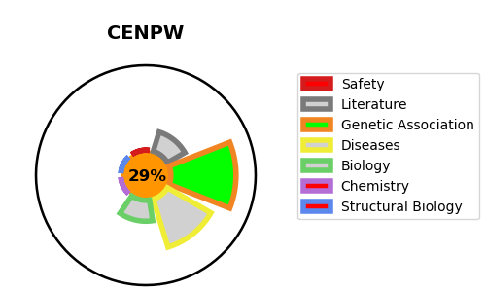
Gene_name | CENPW | Tractable | Tractability_probability
Synonyms | C6orf173, CUG2 | False | 29.33
Target_id | Q5EE01 | In Training data set ?
Protein_class |  | No
Protein_class_desc
Species | Homo sapiens (Human).
Number_isoforms | 2

DISEASE |  | PATHWAYS
disease_id | disease_name | Reactome | KEGG
 |  | Cell Cycle
 |  | Chromosome Maintenance
 |  | Deposition of new CENPA-containing nucleosomes at the centromere
 |  | Nucleosome assembly

