General info
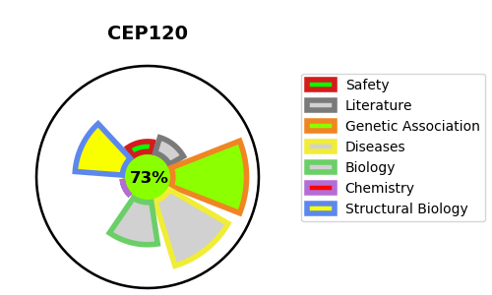
Gene_name | CEP120 | Tractable | Tractability_probability
Synonyms | CCDC100 | True | 73.03
Target_id | Q8N960 | In Training data set ?
Protein_class |  | No
Protein_class_desc
Species | Homo sapiens (Human).
Number_isoforms | 3

DISEASE |  | PATHWAYS
disease_id | disease_name | Reactome | KEGG
OMIM:616300 | SHORT-RIB THORACIC DYSPLASIA 13 WITH OR WITHOUT POLYDACTYLY
OMIM:617761 | JOUBERT SYNDROME 31

