General info
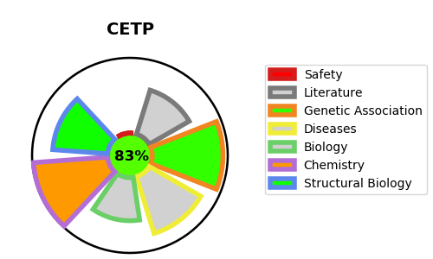
Gene_name | CETP | Tractable | Tractability_probability
Synonyms | CETP,Cholesteryl ester transfer protein,Lipid transfer protein I | True | 83.68
Target_id | P11597 | In Training data set ?
Protein_class | Pore-forming toxins (proteins and peptides) | No
Protein_class_desc | ion channel -> other -> toxin
Species | Homo sapiens (Human).
Number_isoforms | 2

DISEASE |  | PATHWAYS
disease_id | disease_name | Reactome | KEGG
OMIM:143470 | HYPERALPHALIPOPROTEINEMIA 1 | HDL remodeling
 |  | LDL remodeling
 |  | NR1H2 and NR1H3-mediated signaling
 |  | NR1H3 & NR1H2 regulate gene expression linked to cholesterol transport and efflux
 |  | Plasma lipoprotein assembly, remodeling, and clearance
 |  | Plasma lipoprotein remodeling
 |  | Signal Transduction
 |  | Signaling by Nuclear Receptors
 |  | Transport of small molecules

