General info
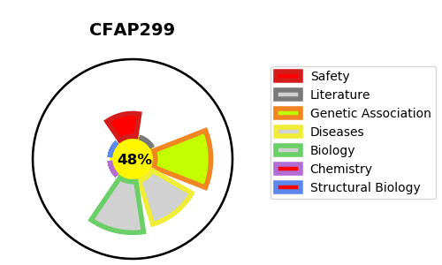
Gene_name | CFAP299 | Tractable | Tractability_probability
Synonyms | C4orf22 {ECO:0000312|HGNC:HGNC:28554} | False | 48.37
Target_id | Q6V702 | In Training data set ?
Protein_class |  | No
Protein_class_desc
Species | Homo sapiens (Human).
Number_isoforms | 3

DISEASE |  | PATHWAYS
disease_id | disease_name | Reactome | KEGG

