General info
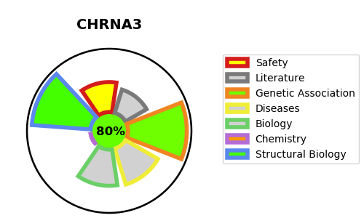
Gene_name | CHRNA3 | Tractable | Tractability_probability
Synonyms | CHRNA3,NACHRA3,Neuronal acetylcholine receptor subunit alpha-3 | True | 80.32
Target_id | P32297 | In Training data set ?
Protein_class | Nicotinic acetylcholine receptor alpha subunit | No
Protein_class_desc | ion channel -> lgic -> ach -> chrn alpha
Species | Homo sapiens (Human).
Number_isoforms | 3

DISEASE |  | PATHWAYS
disease_id | disease_name | Reactome | KEGG
OMIM:191800 | BLADDER DYSFUNCTION, AUTONOMIC, WITH IMPAIRED PUPILLARY REFLEX AND SECONDARY CAKUT | Acetylcholine binding and downstream events
OMIM:612052 | SMOKING AS A QUANTITATIVE TRAIT LOCUS 3 | Highly calcium permeable nicotinic acetylcholine receptors
 |  | Highly calcium permeable postsynaptic nicotinic acetylcholine receptors
 |  | Highly sodium permeable postsynaptic acetylcholine nicotinic receptors
 |  | Neuronal System
 |  | Neurotransmitter receptors and postsynaptic signal transmission
 |  | Postsynaptic nicotinic acetylcholine receptors
 |  | Presynaptic nicotinic acetylcholine receptors
 |  | Transmission across Chemical Synapses

