General info
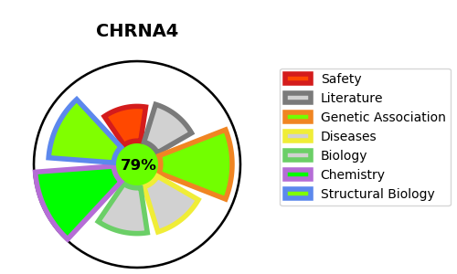
Gene_name | CHRNA4 | Tractable | Tractability_probability
Synonyms | CHRNA4,NACRA4,Neuronal acetylcholine receptor subunit alpha-4 | True | 79.97
Target_id | P43681 | In Training data set ?
Protein_class | Nicotinic acetylcholine receptor alpha subunit | No
Protein_class_desc | ion channel -> lgic -> ach -> chrn alpha
Species | Homo sapiens (Human).
Number_isoforms | 2

DISEASE |  | PATHWAYS
disease_id | disease_name | Reactome | KEGG
OMIM:188890 | TOBACCO ADDICTION, SUSCEPTIBILITY TO | Acetylcholine binding and downstream events
OMIM:600513 | EPILEPSY, NOCTURNAL FRONTAL LOBE, 1 | Highly calcium permeable nicotinic acetylcholine receptors
 |  | Highly calcium permeable postsynaptic nicotinic acetylcholine receptors
 |  | Highly sodium permeable postsynaptic acetylcholine nicotinic receptors
 |  | Neuronal System
 |  | Neurotransmitter receptors and postsynaptic signal transmission
 |  | Postsynaptic nicotinic acetylcholine receptors
 |  | Presynaptic nicotinic acetylcholine receptors
 |  | Transmission across Chemical Synapses

