General info
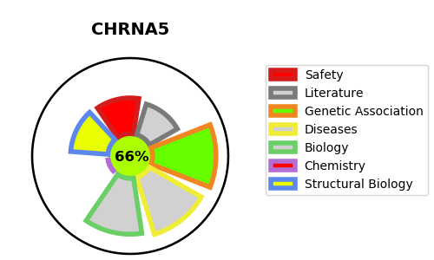
Gene_name | CHRNA5 | Tractable | Tractability_probability
Synonyms | CHRNB4,Neuronal acetylcholine receptor subunit beta-4,CHRNA3,NACHRA3,Neuronal acetylcholine receptor subunit alpha-3,CHRNA5,NACHRA5,Neuronal acetylcholine receptor subunit alpha-5 | True | 66.72
Target_id | P30532 | In Training data set ?
Protein_class | Nicotinic acetylcholine receptor beta subunit | No
Protein_class_desc | ion channel -> lgic -> ach -> chrn beta
Species | Homo sapiens (Human).
Number_isoforms | 0

DISEASE |  | PATHWAYS
disease_id | disease_name | Reactome | KEGG
OMIM:612052 | SMOKING AS A QUANTITATIVE TRAIT LOCUS 3 | Acetylcholine binding and downstream events
 |  | Highly calcium permeable nicotinic acetylcholine receptors
 |  | Highly calcium permeable postsynaptic nicotinic acetylcholine receptors
 |  | Neuronal System
 |  | Neurotransmitter receptors and postsynaptic signal transmission
 |  | Postsynaptic nicotinic acetylcholine receptors
 |  | Presynaptic nicotinic acetylcholine receptors
 |  | Transmission across Chemical Synapses

