General info
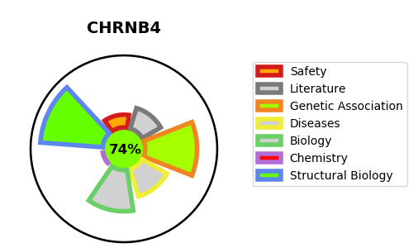
Gene_name | CHRNB4 | Tractable | Tractability_probability
Synonyms | CHRNB2,Neuronal acetylcholine receptor subunit beta-2,CHRNB4,Neuronal acetylcholine receptor subunit beta-4,CHRNA3,NACHRA3,Neuronal acetylcholine receptor subunit alpha-3,CD49 antigen-like family member E,CD_antigen=CD49e,FNRA,Fibronectin receptor subunit alpha,ITGA5,Integrin alpha-5,Integrin alpha-5 heavy chain,Integrin alpha-5 light chain,Integrin alpha-F,VLA-5 | True | 74.96
Target_id | P30926 | In Training data set ?
Protein_class | Nicotinic acetylcholine receptor beta subunit | No
Protein_class_desc | ion channel -> lgic -> ach -> chrn beta
Species | Homo sapiens (Human).
Number_isoforms | 2

DISEASE |  | PATHWAYS
disease_id | disease_name | Reactome | KEGG
 |  | Acetylcholine binding and downstream events
 |  | Highly calcium permeable nicotinic acetylcholine receptors
 |  | Highly calcium permeable postsynaptic nicotinic acetylcholine receptors
 |  | Highly sodium permeable postsynaptic acetylcholine nicotinic receptors
 |  | Immune System
 |  | Innate Immune System
 |  | Neuronal System
 |  | Neurotransmitter receptors and postsynaptic signal transmission
 |  | Neutrophil degranulation
 |  | Postsynaptic nicotinic acetylcholine receptors
 |  | Presynaptic nicotinic acetylcholine receptors
 |  | Transmission across Chemical Synapses

