General info
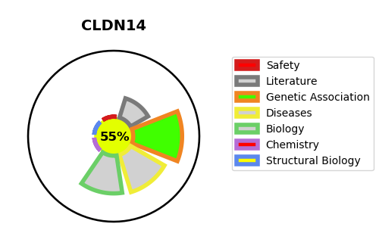
Gene_name | CLDN14 | Tractable | Tractability_probability
Synonyms | UNQ777/PRO1571 | True | 55.52
Target_id | O95500 | In Training data set ?
Protein_class |  | No
Protein_class_desc
Species | Homo sapiens (Human).
Number_isoforms | 0

DISEASE |  | PATHWAYS
disease_id | disease_name | Reactome | KEGG
OMIM:614035 | DEAFNESS, AUTOSOMAL RECESSIVE 29 | Cell junction organization
 |  | Cell-Cell communication
 |  | Cell-cell junction organization
 |  | Tight junction interactions

