General info
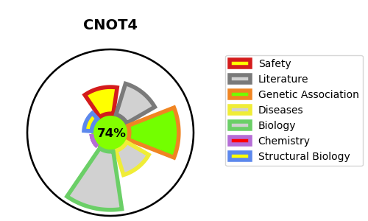
Gene_name | CNOT4 | Tractable | Tractability_probability
Synonyms | 2.3.2.27,CCR4-NOT transcription complex subunit 4,CCR4-associated factor 4,CNOT4,E3 ubiquitin-protein ligase CNOT4,NOT4,Potential transcriptional repressor NOT4Hp,RING-type E3 ubiquitin transferase CNOT4 | True | 74.41
Target_id | O95628 | In Training data set ?
Protein_class | Transferase | No
Protein_class_desc | enzyme -> transferase
Species | Homo sapiens (Human).
Number_isoforms | 10

DISEASE |  | PATHWAYS
disease_id | disease_name | Reactome | KEGG
 |  | Deadenylation of mRNA
 |  | Deadenylation-dependent mRNA decay
 |  | Gene expression (Transcription)
 |  | Generic Transcription Pathway
 |  | Metabolism of RNA
 |  | RNA Polymerase II Transcription
 |  | TP53 Regulates Transcription of Cell Cycle Genes
 |  | TP53 regulates transcription of additional cell cycle genes whose exact role in the p53 pathway remain uncertain
 |  | Transcriptional Regulation by TP53

