General info
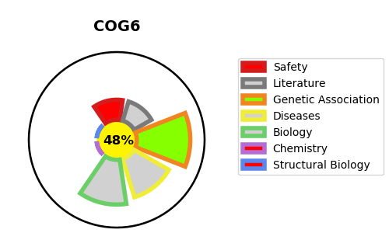
Gene_name | COG6 | Tractable | Tractability_probability
Synonyms | COG complex subunit 6,COG6,Component of oligomeric Golgi complex 6,Conserved oligomeric Golgi complex subunit 6,KIAA1134 | False | 48
Target_id | Q9Y2V7 | In Training data set ?
Protein_class | Other cytosolic protein | No
Protein_class_desc | cytosolic other
Species | Homo sapiens (Human).
Number_isoforms | 3

DISEASE |  | PATHWAYS
disease_id | disease_name | Reactome | KEGG
OMIM:614576 | CONGENITAL DISORDER OF GLYCOSYLATION, TYPE IIl
OMIM:615328 | SHAHEEN SYNDROME

