General info
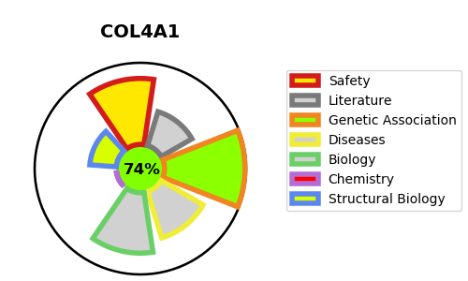
Gene_name | COL4A1 | Tractable | Tractability_probability
Synonyms | Alpha-2 type I collagen,COL1A2,Collagen alpha-2(I) chain,Alpha-1 type I collagen,COL1A1,Collagen alpha-1(I) chain,Alpha-1 type II collagen,COL2A1,Chondrocalcin,Collagen alpha-1(II) chain,COL3A1,Collagen alpha-1(III) chain,Arresten,COL4A1,Collagen alpha-1(IV) chain,COL5A1,Collagen alpha-1(V) chain,COL6A1,Collagen alpha-1(VI) chain,COL11A1,COLL6,Collagen alpha-1(XI) chain,COL15A1,Collagen alpha-1(XV) chain,Endostatin-XV,Related to endostatin,Restin,Restin-2,Restin-3,Restin-4,Restin-I,Restin-II,Restin-III,Restin-IV,COL18A1,Collagen alpha-1(XVIII) chain,Endostatin,NC1,Non-collagenous domain 1,COL24A1,Collagen alpha-1(XXIV) chain,COL27A1,Collagen alpha-1(XXVII) chain,KIAA1870,COL28,COL28A1,Collagen alpha-1(XXVIII) chain,COL4A2,Canstatin,Collagen alpha-2(IV) chain,COL5A2,Collagen alpha-2(V) chain,COL6A2,Collagen alpha-2(VI) chain,COL11A2,Collagen alpha-2(XI) chain,COL4A3,Collagen alpha-3(IV) chain,Goodpasture antigen,Tumstatin,COL5A3,Collagen alpha-3(V) chain,COL6A3,Collagen alpha-3(VI) chain,COL4A4,Collagen alpha-4(IV) chain,COL4A5,Collagen alpha-5(IV) chain,COL29A1,COL6A5,Collagen alpha-1(XXIX) chain,Collagen alpha-5(VI) chain,VWA4,von Willebrand factor A domain-containing protein 4,COL4A6,Collagen alpha-6(IV) chain,COL6A6,Collagen alpha-6(VI) chain | True | 74.65
Target_id | P02462 | In Training data set ?
Protein_class | Structural protein | No
Protein_class_desc | structural
Species | Homo sapiens (Human).
Number_isoforms | 2

DISEASE |  | PATHWAYS
disease_id | disease_name | Reactome | KEGG
OMIM:175780 | BRAIN SMALL VESSEL DISEASE 1 WITH OR WITHOUT OCULAR ANOMALIES | Anchoring fibril formation
OMIM:180000 | RETINAL ARTERIES, TORTUOSITY OF | Assembly of collagen fibrils and other multimeric structures
OMIM:611773 | ANGIOPATHY, HEREDITARY, WITH NEPHROPATHY, ANEURYSMS, AND MUSCLE CRAMPS | Axon guidance
OMIM:614519 | HEMORRHAGE, INTRACEREBRAL, SUSCEPTIBILITY TO | Binding and Uptake of Ligands by Scavenger Receptors
OMIM:618564 | MICROANGIOPATHY AND LEUKOENCEPHALOPATHY, PONTINE, AUTOSOMAL DOMINANT | Collagen biosynthesis and modifying enzymes
 |  | Collagen chain trimerization
 |  | Collagen degradation
 |  | Collagen formation
 |  | Crosslinking of collagen fibrils
 |  | Degradation of the extracellular matrix
 |  | Developmental Biology
 |  | ECM proteoglycans
 |  | Extracellular matrix organization
 |  | Integrin cell surface interactions
 |  | Laminin interactions
 |  | NCAM signaling for neurite out-growth
 |  | NCAM1 interactions
 |  | Nervous system development
 |  | Non-integrin membrane-ECM interactions
 |  | Scavenging by Class A Receptors
 |  | Signal Transduction
 |  | Signaling by PDGF
 |  | Signaling by Receptor Tyrosine Kinases
 |  | Vesicle-mediated transport

