General info
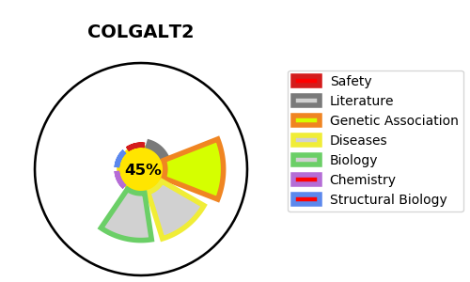
Gene_name | COLGALT2 | Tractable | Tractability_probability
Synonyms | C1orf17, GLT25D2, KIAA0584 | False | 45.05
Target_id | Q8IYK4 | In Training data set ?
Protein_class |  | No
Protein_class_desc
Species | Homo sapiens (Human).
Number_isoforms | 0

DISEASE |  | PATHWAYS
disease_id | disease_name | Reactome | KEGG
 |  | Collagen biosynthesis and modifying enzymes
 |  | Collagen formation
 |  | Extracellular matrix organization

