General info
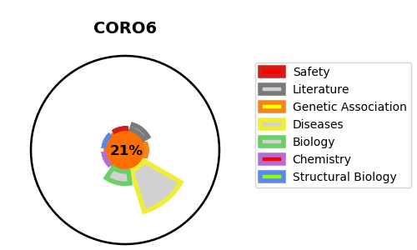
Gene_name | CORO6 | Tractable | Tractability_probability
Synonyms | PP1009, PP1782, PP1881 | False | 21.6
Target_id | Q6QEF8 | In Training data set ?
Protein_class |  | No
Protein_class_desc
Species | Homo sapiens (Human).
Number_isoforms | 5

DISEASE |  | PATHWAYS
disease_id | disease_name | Reactome | KEGG

