General info
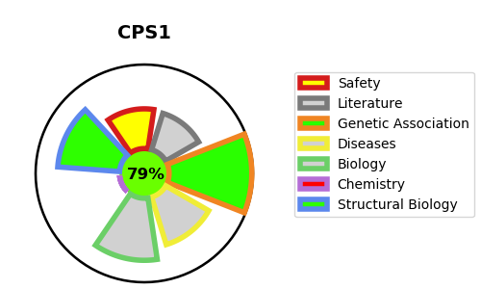
Gene_name | CPS1 | Tractable | Tractability_probability
Synonyms | 6.3.4.16,CPS1,CPSase I,Carbamoyl-phosphate synthase [ammonia], mitochondrial,Carbamoyl-phosphate synthetase I | True | 79.51
Target_id | P31327 | In Training data set ?
Protein_class | Ligase | No
Protein_class_desc | enzyme -> ligase
Species | Homo sapiens (Human).
Number_isoforms | 3

DISEASE |  | PATHWAYS
disease_id | disease_name | Reactome | KEGG
OMIM:237300 | CARBAMOYL PHOSPHATE SYNTHETASE I DEFICIENCY, HYPERAMMONEMIA DUE TO | Metabolism
OMIM:615371 | PULMONARY HYPERTENSION, NEONATAL, SUSCEPTIBILITY TO | Metabolism of amino acids and derivatives
 |  | Urea cycle

