General info
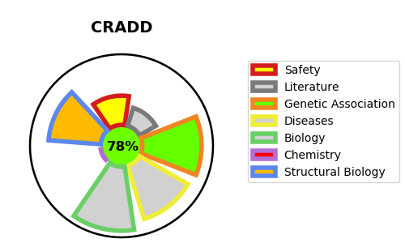
Gene_name | CRADD | Tractable | Tractability_probability
Synonyms | RAIDD | True | 78.65
Target_id | P78560 | In Training data set ?
Protein_class |  | No
Protein_class_desc
Species | Homo sapiens (Human).
Number_isoforms | 2

DISEASE |  | PATHWAYS
disease_id | disease_name | Reactome | KEGG
OMIM:614499 | MENTAL RETARDATION, AUTOSOMAL RECESSIVE 34, WITH VARIANT LISSENCEPHALY | Gene expression (Transcription)
 |  | Generic Transcription Pathway
 |  | RNA Polymerase II Transcription
 |  | TP53 Regulates Transcription of Caspase Activators and Caspases
 |  | TP53 Regulates Transcription of Cell Death Genes
 |  | Transcriptional Regulation by TP53

