General info
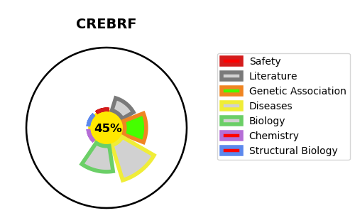
Gene_name | CREBRF | Tractable | Tractability_probability
Synonyms | C5orf41 | False | 45.66
Target_id | Q8IUR6 | In Training data set ?
Protein_class |  | No
Protein_class_desc
Species | Homo sapiens (Human).
Number_isoforms | 3

DISEASE |  | PATHWAYS
disease_id | disease_name | Reactome | KEGG
 |  | CREB3 factors activate genes
 |  | Metabolism of proteins
 |  | Unfolded Protein Response (UPR)

