General info
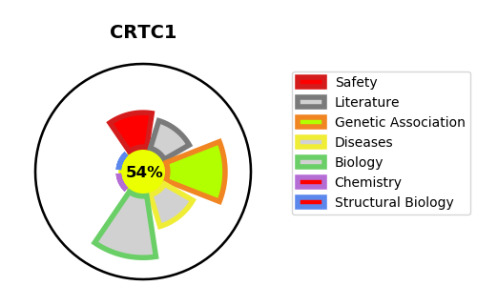
Gene_name | CRTC1 | Tractable | Tractability_probability
Synonyms | KIAA0616 {ECO:0000312|EMBL:BAA31591.1}, MECT1 {ECO:0000312|HGNC:HGNC:16062}, TORC1 {ECO:0000312|EMBL:AAQ98856.1}, WAMTP1 {ECO:0000303|PubMed:14720503} | True | 54.11
Target_id | Q6UUV9 | In Training data set ?
Protein_class |  | No
Protein_class_desc
Species | Homo sapiens (Human).
Number_isoforms | 3

DISEASE |  | PATHWAYS
disease_id | disease_name | Reactome | KEGG
 |  | Circadian Clock
 |  | Mitochondrial biogenesis
 |  | Organelle biogenesis and maintenance
 |  | Transcriptional activation of mitochondrial biogenesis

