General info
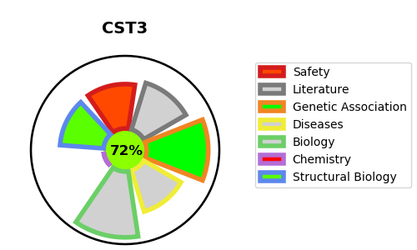
Gene_name | CST3 | Tractable | Tractability_probability
Synonyms | Not found | True | 72.58
Target_id | P01034 | In Training data set ?
Protein_class |  | No
Protein_class_desc
Species | Homo sapiens (Human).
Number_isoforms | 0

DISEASE |  | PATHWAYS
disease_id | disease_name | Reactome | KEGG
OMIM:105150 | CEREBRAL AMYLOID ANGIOPATHY, CST3-RELATED | Amyloid fiber formation
OMIM:611953 | MACULAR DEGENERATION, AGE-RELATED, 11 | Immune System
 |  | Innate Immune System
 |  | Metabolism of proteins
 |  | Neutrophil degranulation
 |  | Post-translational protein modification
 |  | Post-translational protein phosphorylation
 |  | Regulation of Insulin-like Growth Factor (IGF) transport and uptake by Insulin-like Growth Factor Binding Proteins (IGFBPs)

