General info
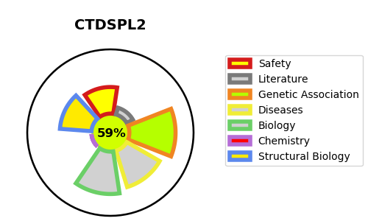
Gene_name | CTDSPL2 | Tractable | Tractability_probability
Synonyms | HSPC058, HSPC129 | True | 59.12
Target_id | Q05D32 | In Training data set ?
Protein_class |  | No
Protein_class_desc
Species | Homo sapiens (Human).
Number_isoforms | 2

DISEASE |  | PATHWAYS
disease_id | disease_name | Reactome | KEGG

