General info
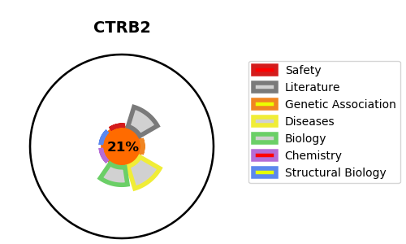
Gene_name | CTRB2 | Tractable | Tractability_probability
Synonyms | Not found | False | 21.05
Target_id | Q6GPI1 | In Training data set ?
Protein_class |  | No
Protein_class_desc
Species | Homo sapiens (Human).
Number_isoforms | 0

DISEASE |  | PATHWAYS
disease_id | disease_name | Reactome | KEGG
 |  | Activation of Matrix Metalloproteinases
 |  | Cobalamin (Cbl, vitamin B12) transport and metabolism
 |  | Degradation of the extracellular matrix
 |  | Extracellular matrix organization
 |  | Metabolism
 |  | Metabolism of vitamins and cofactors
 |  | Metabolism of water-soluble vitamins and cofactors

