General info
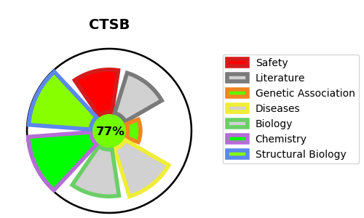
Gene_name | CTSB | Tractable | Tractability_probability
Synonyms | 3.4.22.1,APP secretase,APPS,CPSB,CTSB,Cathepsin B,Cathepsin B heavy chain,Cathepsin B light chain,Cathepsin B1 | True | 77.47
Target_id | P07858 | In Training data set ?
Protein_class | Cysteine protease C1A family | No
Protein_class_desc | enzyme -> protease -> cysteine -> ca -> c1a
Species | Homo sapiens (Human).
Number_isoforms | 0

DISEASE |  | PATHWAYS
disease_id | disease_name | Reactome | KEGG
OMIM:148370 | KERATOLYTIC WINTER ERYTHEMA | Adaptive Immune System
 |  | Assembly of collagen fibrils and other multimeric structures
 |  | Collagen degradation
 |  | Collagen formation
 |  | Degradation of the extracellular matrix
 |  | Extracellular matrix organization
 |  | Immune System
 |  | Innate Immune System
 |  | MHC class II antigen presentation
 |  | Neutrophil degranulation
 |  | Toll-like Receptor Cascades
 |  | Trafficking and processing of endosomal TLR

