General info
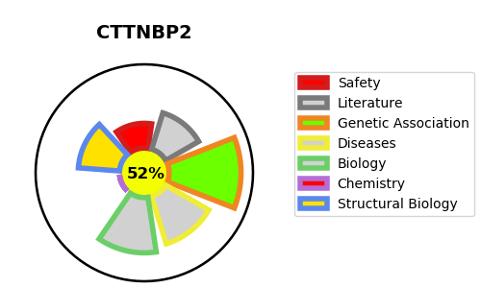
Gene_name | CTTNBP2 | Tractable | Tractability_probability
Synonyms | C7orf8, CORTBP2, KIAA1758 | True | 52.48
Target_id | Q8WZ74 | In Training data set ?
Protein_class |  | No
Protein_class_desc
Species | Homo sapiens (Human).
Number_isoforms | 0

DISEASE |  | PATHWAYS
disease_id | disease_name | Reactome | KEGG

