General info
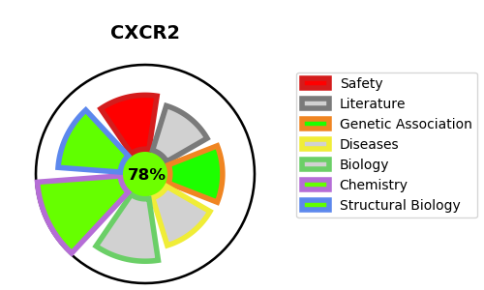
Gene_name | CXCR2 | Tractable | Tractability_probability
Synonyms | C-X-C chemokine receptor type 2,CD_antigen=CD182,CDw128b,CXC-R2,CXCR-2,CXCR2,GRO/MGSA receptor,High affinity interleukin-8 receptor B,IL-8 receptor type 2,IL-8R B,IL8RB | True | 78.76
Target_id | P25025 | In Training data set ?
Protein_class | CXC chemokine receptor | No
Protein_class_desc | membrane receptor -> 7tm1 -> peptide -> chemokine receptor -> cxc chemokine receptor
Species | Homo sapiens (Human).
Number_isoforms | 0

DISEASE |  | PATHWAYS
disease_id | disease_name | Reactome | KEGG
 |  | Chemokine receptors bind chemokines
 |  | Class A/1 (Rhodopsin-like receptors)
 |  | G alpha (i) signalling events
 |  | GPCR downstream signalling
 |  | GPCR ligand binding
 |  | Immune System
 |  | Innate Immune System
 |  | Neutrophil degranulation
 |  | Peptide ligand-binding receptors
 |  | Signal Transduction
 |  | Signaling by GPCR

