General info
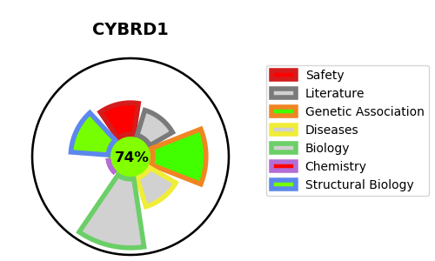
Gene_name | CYBRD1 | Tractable | Tractability_probability
Synonyms | DCYTB {ECO:0000303|PubMed:12949720}, FRRS3 | True | 74.62
Target_id | Q53TN4 | In Training data set ?
Protein_class |  | No
Protein_class_desc
Species | Homo sapiens (Human).
Number_isoforms | 3

DISEASE |  | PATHWAYS
disease_id | disease_name | Reactome | KEGG
 |  | Iron uptake and transport
 |  | Transport of small molecules

