General info
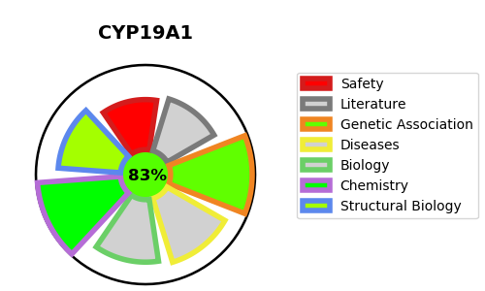
Gene_name | CYP19A1 | Tractable | Tractability_probability
Synonyms | 1.14.14.14,ARO1,Aromatase,CYAR,CYP19,CYP19A1,CYPXIX,Cytochrome P-450AROM,Cytochrome P450 19A1,Estrogen synthase | True | 83.67
Target_id | P11511 | In Training data set ?
Protein_class | Cytochrome P450 19A1 | No
Protein_class_desc | enzyme -> cytochrome p450 -> cyp_19 -> cyp_19a -> cyp_19a1
Species | Homo sapiens (Human).
Number_isoforms | 2

DISEASE |  | PATHWAYS
disease_id | disease_name | Reactome | KEGG
OMIM:139300 | AROMATASE EXCESS SYNDROME | Biological oxidations
OMIM:613546 | AROMATASE DEFICIENCY | Cytochrome P450 - arranged by substrate type
 |  | Defective CYP19A1 causes Aromatase excess syndrome (AEXS)
 |  | Disease
 |  | Diseases of metabolism
 |  | Endogenous sterols
 |  | Estrogen biosynthesis
 |  | Metabolic disorders of biological oxidation enzymes
 |  | Metabolism
 |  | Metabolism of lipids
 |  | Metabolism of steroid hormones
 |  | Metabolism of steroids
 |  | Phase I - Functionalization of compounds

