General info
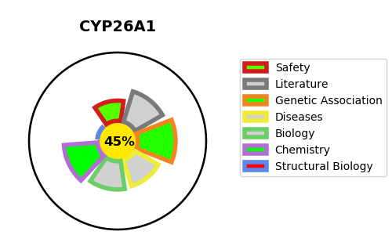
Gene_name | CYP26A1 | Tractable | Tractability_probability
Synonyms | 1.14.13.-,CYP26,CYP26A1,Cytochrome P450 26A1,Cytochrome P450 retinoic acid-inactivating 1,Cytochrome P450RAI,P450RAI1,Retinoic acid 4-hydroxylase,Retinoic acid-metabolizing cytochrome,hP450RAI | False | 45.36
Target_id | O43174 | In Training data set ?
Protein_class | Cytochrome P450 26A1 | No
Protein_class_desc | enzyme -> cytochrome p450 -> cyp_26 -> cyp_26a -> cyp_26a1
Species | Homo sapiens (Human).
Number_isoforms | 2

DISEASE |  | PATHWAYS
disease_id | disease_name | Reactome | KEGG
 |  | Biological oxidations
 |  | Cytochrome P450 - arranged by substrate type
 |  | Metabolism
 |  | Phase I - Functionalization of compounds
 |  | RA biosynthesis pathway
 |  | Signal Transduction
 |  | Signaling by Nuclear Receptors
 |  | Signaling by Retinoic Acid
 |  | Vitamins

