General info
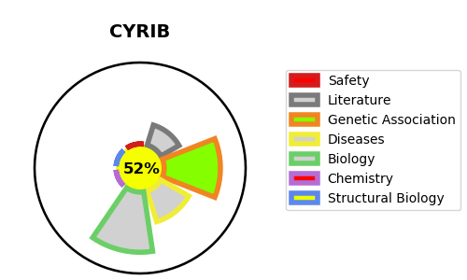
Gene_name | CYRIB | Tractable | Tractability_probability
Synonyms | CYRI {ECO:0000303|PubMed:31285585}, FAM49B | True | 52.08
Target_id | Q9NUQ9 | In Training data set ?
Protein_class |  | No
Protein_class_desc
Species | Homo sapiens (Human).
Number_isoforms | 2

DISEASE |  | PATHWAYS
disease_id | disease_name | Reactome | KEGG
 |  | Hemostasis
 |  | Platelet activation, signaling and aggregation
 |  | Platelet degranulation
 |  | Response to elevated platelet cytosolic Ca2+

