General info
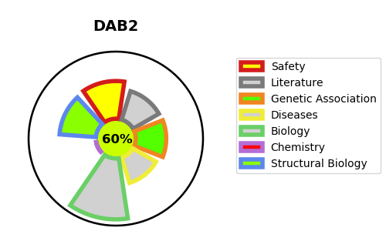
Gene_name | DAB2 | Tractable | Tractability_probability
Synonyms | DOC2 | True | 60.55
Target_id | P98082 | In Training data set ?
Protein_class |  | No
Protein_class_desc
Species | Homo sapiens (Human).
Number_isoforms | 3

DISEASE |  | PATHWAYS
disease_id | disease_name | Reactome | KEGG
 |  | Cargo recognition for clathrin-mediated endocytosis
 |  | Clathrin-mediated endocytosis
 |  | Formation of annular gap junctions
 |  | Gap junction degradation
 |  | Gap junction trafficking
 |  | Gap junction trafficking and regulation
 |  | Membrane Trafficking
 |  | Vesicle-mediated transport

