General info
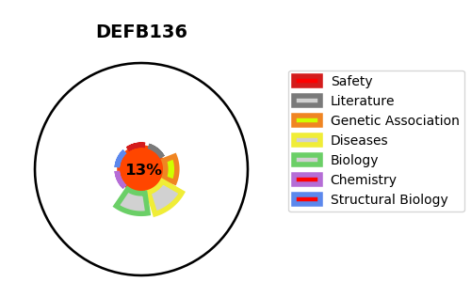
Gene_name | DEFB136 | Tractable | Tractability_probability
Synonyms | Not found | False | 13.81
Target_id | Q30KP8 | In Training data set ?
Protein_class |  | No
Protein_class_desc
Species | Homo sapiens (Human).
Number_isoforms | 0

DISEASE |  | PATHWAYS
disease_id | disease_name | Reactome | KEGG
 |  | Antimicrobial peptides
 |  | Beta defensins
 |  | Defensins
 |  | Immune System
 |  | Innate Immune System

