General info
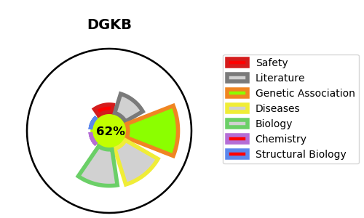
Gene_name | DGKB | Tractable | Tractability_probability
Synonyms | 2.7.1.107,90 kDa diacylglycerol kinase,DAG kinase beta,DAGK2,DGK-beta,DGKB,Diacylglycerol kinase beta,Diglyceride kinase beta,KIAA0718 | True | 62.01
Target_id | Q9Y6T7 | In Training data set ?
Protein_class | Transferase | No
Protein_class_desc | enzyme -> transferase
Species | Homo sapiens (Human).
Number_isoforms | 2

DISEASE |  | PATHWAYS
disease_id | disease_name | Reactome | KEGG
 |  | Effects of PIP2 hydrolysis
 |  | G alpha (q) signalling events
 |  | GPCR downstream signalling
 |  | Hemostasis
 |  | Platelet activation, signaling and aggregation
 |  | Signal Transduction
 |  | Signaling by GPCR

