General info
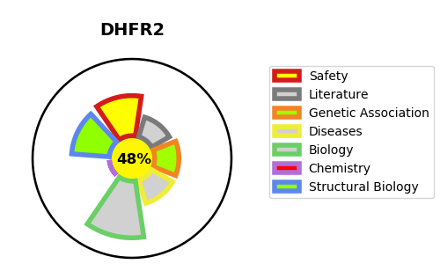
Gene_name | DHFR2 | Tractable | Tractability_probability
Synonyms | DHFRL1, DHFRP4 | False | 48.56
Target_id | Q86XF0 | In Training data set ?
Protein_class |  | No
Protein_class_desc
Species | Homo sapiens (Human).
Number_isoforms | 0

DISEASE |  | PATHWAYS
disease_id | disease_name | Reactome | KEGG
 |  | Metabolism
 |  | Metabolism of folate and pterines
 |  | Metabolism of vitamins and cofactors
 |  | Metabolism of water-soluble vitamins and cofactors

