General info
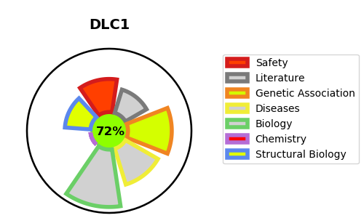
Gene_name | DLC1 | Tractable | Tractability_probability
Synonyms | ARHGAP7, KIAA1723, STARD12 | True | 72.25
Target_id | Q96QB1 | In Training data set ?
Protein_class |  | No
Protein_class_desc
Species | Homo sapiens (Human).
Number_isoforms | 6

DISEASE |  | PATHWAYS
disease_id | disease_name | Reactome | KEGG
OMIM:114500 | COLORECTAL CANCER | Rho GTPase cycle
 |  | Signal Transduction
 |  | Signaling by Rho GTPases

