General info
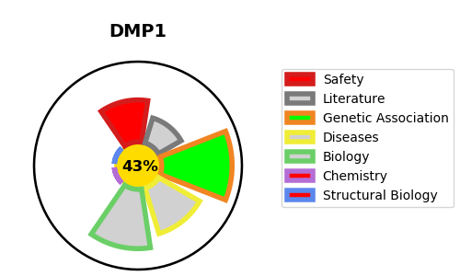
Gene_name | DMP1 | Tractable | Tractability_probability
Synonyms | Not found | False | 43.15
Target_id | Q13316 | In Training data set ?
Protein_class |  | No
Protein_class_desc
Species | Homo sapiens (Human).
Number_isoforms | 2

DISEASE |  | PATHWAYS
disease_id | disease_name | Reactome | KEGG
OMIM:241520 | HYPOPHOSPHATEMIC RICKETS, AUTOSOMAL RECESSIVE, 1 | ECM proteoglycans
 |  | Extracellular matrix organization
 |  | Metabolism of proteins
 |  | Post-translational protein modification
 |  | Post-translational protein phosphorylation
 |  | Regulation of Insulin-like Growth Factor (IGF) transport and uptake by Insulin-like Growth Factor Binding Proteins (IGFBPs)

