General info
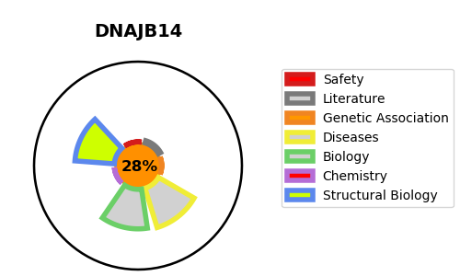
Gene_name | DNAJB14 | Tractable | Tractability_probability
Synonyms | UNQ9427/PRO34683 {ECO:0000303|PubMed:12975309} | False | 28.35
Target_id | Q8TBM8 | In Training data set ?
Protein_class |  | No
Protein_class_desc
Species | Homo sapiens (Human).
Number_isoforms | 2

DISEASE |  | PATHWAYS
disease_id | disease_name | Reactome | KEGG

