General info
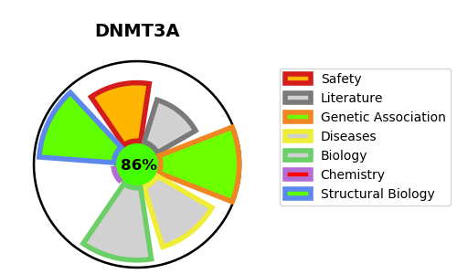
Gene_name | DNMT3A | Tractable | Tractability_probability
Synonyms | 2.1.1.37,DNA (cytosine-5)-methyltransferase 3A,DNA MTase HsaIIIA,DNA methyltransferase HsaIIIA,DNMT3A,Dnmt3a,M.HsaIIIA | True | 86.47
Target_id | Q9Y6K1 | In Training data set ?
Protein_class | PWWP domain | No
Protein_class_desc | epigenetic regulator -> reader -> methyl-lysine -> pwwp
Species | Homo sapiens (Human).
Number_isoforms | 3

DISEASE |  | PATHWAYS
disease_id | disease_name | Reactome | KEGG
OMIM:601626 | LEUKEMIA, ACUTE MYELOID | Chromatin modifying enzymes
OMIM:615879 | TATTON-BROWN-RAHMAN SYNDROME | Chromatin organization
OMIM:618724 | HEYN-SPROUL-JACKSON SYNDROME | DNA methylation
 |  | Epigenetic regulation of gene expression
 |  | Gene expression (Transcription)
 |  | Metabolism of proteins
 |  | PRC2 methylates histones and DNA
 |  | Post-translational protein modification
 |  | RMTs methylate histone arginines
 |  | SUMO E3 ligases SUMOylate target proteins
 |  | SUMOylation
 |  | SUMOylation of DNA methylation proteins

