General info
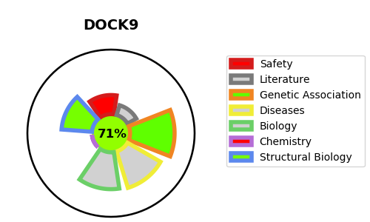
Gene_name | DOCK9 | Tractable | Tractability_probability
Synonyms | KIAA1058, ZIZ1 {ECO:0000305} | True | 71.5
Target_id | Q9BZ29 | In Training data set ?
Protein_class |  | No
Protein_class_desc
Species | Homo sapiens (Human).
Number_isoforms | 5

DISEASE |  | PATHWAYS
disease_id | disease_name | Reactome | KEGG
 |  | Factors involved in megakaryocyte development and platelet production
 |  | Hemostasis

