General info
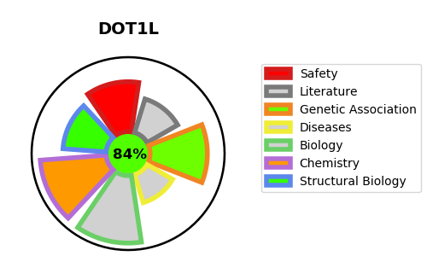
Gene_name | DOT1L | Tractable | Tractability_probability
Synonyms | 2.1.1.43,DOT1-like protein,DOT1L,H3-K79-HMTase,Histone H3-K79 methyltransferase,Histone-lysine N-methyltransferase, H3 lysine-79 specific,KIAA1814,KMT4,Lysine N-methyltransferase 4 | True | 84.21
Target_id | Q8TEK3 | In Training data set ?
Protein_class | Protein methyltransferase | No
Protein_class_desc | epigenetic regulator -> writer -> pmt
Species | Homo sapiens (Human).
Number_isoforms | 2

DISEASE |  | PATHWAYS
disease_id | disease_name | Reactome | KEGG
 |  | Chromatin modifying enzymes
 |  | Chromatin organization
 |  | PKMTs methylate histone lysines

