General info
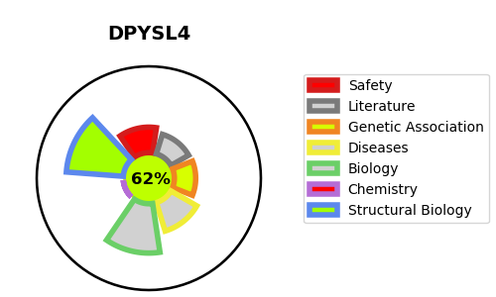
Gene_name | DPYSL4 | Tractable | Tractability_probability
Synonyms | CRMP3, ULIP4 | True | 62.94
Target_id | O14531 | In Training data set ?
Protein_class |  | No
Protein_class_desc
Species | Homo sapiens (Human).
Number_isoforms | 0

DISEASE |  | PATHWAYS
disease_id | disease_name | Reactome | KEGG
 |  | Axon guidance
 |  | CRMPs in Sema3A signaling
 |  | Developmental Biology
 |  | Nervous system development
 |  | Semaphorin interactions

