General info
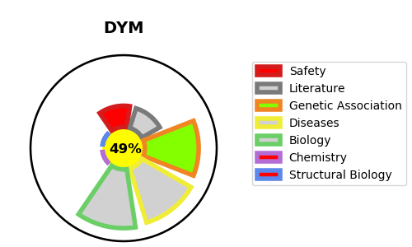
Gene_name | DYM | Tractable | Tractability_probability
Synonyms | Not found | False | 49.49
Target_id | Q7RTS9 | In Training data set ?
Protein_class |  | No
Protein_class_desc
Species | Homo sapiens (Human).
Number_isoforms | 2

DISEASE |  | PATHWAYS
disease_id | disease_name | Reactome | KEGG
OMIM:223800 | DYGGVE-MELCHIOR-CLAUSEN DISEASE
OMIM:607326 | SMITH-MCCORT DYSPLASIA 1

