General info
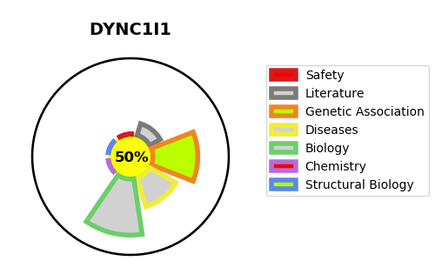
Gene_name | DYNC1I1 | Tractable | Tractability_probability
Synonyms | DNCI1, DNCIC1 | True | 50.94
Target_id | O14576 | In Training data set ?
Protein_class |  | No
Protein_class_desc
Species | Homo sapiens (Human).
Number_isoforms | 5

DISEASE |  | PATHWAYS
disease_id | disease_name | Reactome | KEGG
 |  | Adaptive Immune System
 |  | Aggrephagy
 |  | Amplification of signal from unattached kinetochores via a MAD2 inhibitory signal
 |  | Amplification of signal from the kinetochores
 |  | Asparagine N-linked glycosylation
 |  | Autophagy
 |  | COPI-independent Golgi-to-ER retrograde traffic
 |  | COPI-mediated anterograde transport
 |  | Cell Cycle
 |  | Cell Cycle Checkpoints
 |  | Cell Cycle, Mitotic
 |  | Cellular responses to external stimuli
 |  | Cellular responses to stress
 |  | Disease
 |  | EML4 and NUDC in mitotic spindle formation
 |  | ER to Golgi Anterograde Transport
 |  | Golgi-to-ER retrograde transport
 |  | HCMV Early Events
 |  | HCMV Infection
 |  | HSP90 chaperone cycle for steroid hormone receptors (SHR)
 |  | Immune System
 |  | Infectious disease
 |  | Intra-Golgi and retrograde Golgi-to-ER traffic
 |  | M Phase
 |  | MHC class II antigen presentation
 |  | Macroautophagy
 |  | Membrane Trafficking
 |  | Metabolism of proteins
 |  | Mitotic Anaphase
 |  | Mitotic Metaphase and Anaphase
 |  | Mitotic Prometaphase
 |  | Mitotic Spindle Checkpoint
 |  | Post-translational protein modification
 |  | RHO GTPase Effectors
 |  | RHO GTPases Activate Formins
 |  | Resolution of Sister Chromatid Cohesion
 |  | Selective autophagy
 |  | Separation of Sister Chromatids
 |  | Signal Transduction
 |  | Signaling by Rho GTPases
 |  | Transport to the Golgi and subsequent modification
 |  | Vesicle-mediated transport

