General info
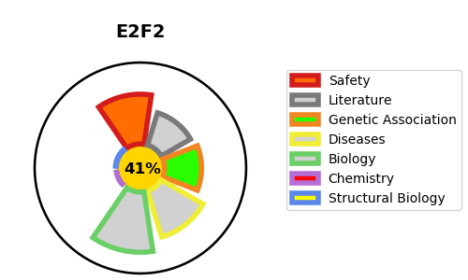
Gene_name | E2F2 | Tractable | Tractability_probability
Synonyms | Not found | False | 41.75
Target_id | Q14209 | In Training data set ?
Protein_class |  | No
Protein_class_desc
Species | Homo sapiens (Human).
Number_isoforms | 0

DISEASE |  | PATHWAYS
disease_id | disease_name | Reactome | KEGG
 |  | Aberrant regulation of mitotic G1/S transition in cancer due to RB1 defects
 |  | Aberrant regulation of mitotic cell cycle due to RB1 defects
 |  | Assembly of the pre-replicative complex
 |  | CDC6 association with the ORC:origin complex
 |  | Cell Cycle
 |  | Cell Cycle, Mitotic
 |  | Cellular Senescence
 |  | Cellular responses to external stimuli
 |  | Cellular responses to stress
 |  | Cyclin D associated events in G1
 |  | DNA Replication
 |  | DNA Replication Pre-Initiation
 |  | Defective binding of RB1 mutants to E2F1,(E2F2, E2F3)
 |  | Disease
 |  | Diseases of mitotic cell cycle
 |  | G1 Phase
 |  | Mitotic G1 phase and G1/S transition
 |  | Oncogene Induced Senescence
 |  | Oxidative Stress Induced Senescence

