General info
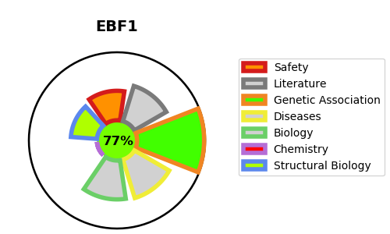
Gene_name | EBF1 | Tractable | Tractability_probability
Synonyms | COE1, EBF | True | 77.2
Target_id | Q9UH73 | In Training data set ?
Protein_class |  | No
Protein_class_desc
Species | Homo sapiens (Human).
Number_isoforms | 2

DISEASE |  | PATHWAYS
disease_id | disease_name | Reactome | KEGG
 |  | Developmental Biology
 |  | Transcriptional regulation of white adipocyte differentiation

