General info
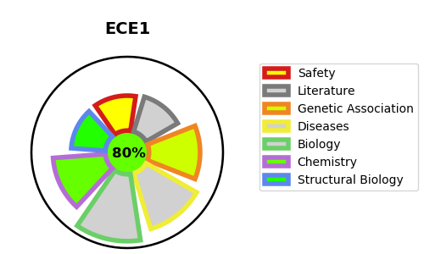
Gene_name | ECE1 | Tractable | Tractability_probability
Synonyms | 3.4.24.71,ECE-1,ECE1,Endothelin-converting enzyme 1 | True | 80.52
Target_id | P42892 | In Training data set ?
Protein_class | Metallo protease M13 family | No
Protein_class_desc | enzyme -> protease -> metallo -> mae -> m13
Species | Homo sapiens (Human).
Number_isoforms | 4

DISEASE |  | PATHWAYS
disease_id | disease_name | Reactome | KEGG
OMIM:145500 | HYPERTENSION, ESSENTIAL | Class A/1 (Rhodopsin-like receptors)
OMIM:613870 | HIRSCHSPRUNG DISEASE, CARDIAC DEFECTS, AND AUTONOMIC DYSFUNCTION | GPCR ligand binding
 |  | Peptide ligand-binding receptors
 |  | Signal Transduction
 |  | Signaling by GPCR

