General info
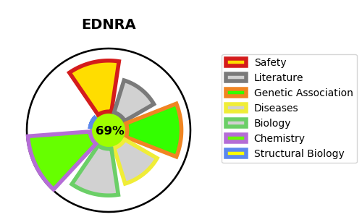
Gene_name | EDNRA | Tractable | Tractability_probability
Synonyms | EDNRA,ET-A,ETA,ETA-R,ETRA,Endothelin receptor type A,Endothelin-1 receptor,hET-AR | True | 69.21
Target_id | P25101 | In Training data set ?
Protein_class | Endothelin receptor | No
Protein_class_desc | membrane receptor -> 7tm1 -> peptide -> short peptide -> endothelin receptor
Species | Homo sapiens (Human).
Number_isoforms | 5

DISEASE |  | PATHWAYS
disease_id | disease_name | Reactome | KEGG
OMIM:157300 | MIGRAINE WITH OR WITHOUT AURA, SUSCEPTIBILITY TO, 1 | Class A/1 (Rhodopsin-like receptors)
OMIM:616367 | MANDIBULOFACIAL DYSOSTOSIS WITH ALOPECIA | G alpha (q) signalling events
 |  | GPCR downstream signalling
 |  | GPCR ligand binding
 |  | Peptide ligand-binding receptors
 |  | Signal Transduction
 |  | Signaling by GPCR

