General info
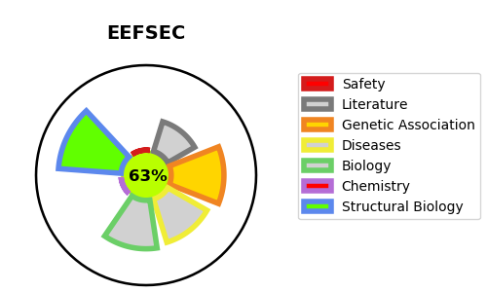
Gene_name | EEFSEC | Tractable | Tractability_probability
Synonyms | SELB | True | 63.89
Target_id | P57772 | In Training data set ?
Protein_class |  | No
Protein_class_desc
Species | Homo sapiens (Human).
Number_isoforms | 2

DISEASE |  | PATHWAYS
disease_id | disease_name | Reactome | KEGG
 |  | Metabolism
 |  | Metabolism of amino acids and derivatives
 |  | Selenoamino acid metabolism
 |  | Selenocysteine synthesis

