General info
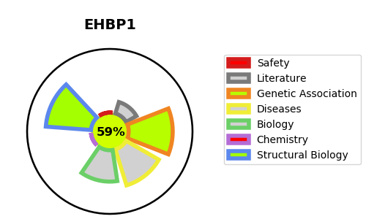
Gene_name | EHBP1 | Tractable | Tractability_probability
Synonyms | KIAA0903, NACSIN | True | 59.4
Target_id | Q8NDI1 | In Training data set ?
Protein_class |  | No
Protein_class_desc
Species | Homo sapiens (Human).
Number_isoforms | 3

DISEASE |  | PATHWAYS
disease_id | disease_name | Reactome | KEGG
OMIM:611868 | PROSTATE CANCER, HEREDITARY, 12

