General info
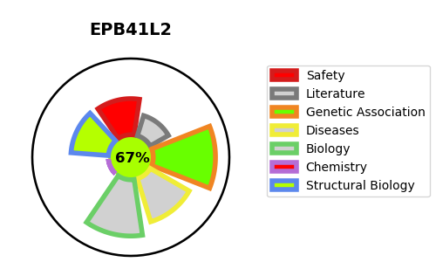
Gene_name | EPB41L2 | Tractable | Tractability_probability
Synonyms | Not found | True | 67.11
Target_id | O43491 | In Training data set ?
Protein_class |  | No
Protein_class_desc
Species | Homo sapiens (Human).
Number_isoforms | 4

DISEASE |  | PATHWAYS
disease_id | disease_name | Reactome | KEGG
 |  | Neurexins and neuroligins
 |  | Neuronal System
 |  | Protein-protein interactions at synapses

