General info
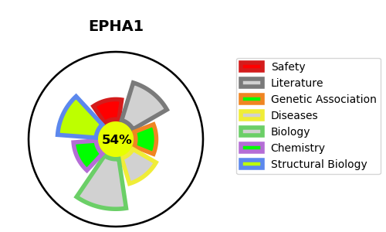
Gene_name | EPHA1 | Tractable | Tractability_probability
Synonyms | 2.7.10.1,EPH,EPH tyrosine kinase,EPH tyrosine kinase 1,EPHA1,EPHT,EPHT1,Ephrin type-A receptor 1,Erythropoietin-producing hepatoma receptor,Tyrosine-protein kinase receptor EPH,hEpha1 | True | 54.77
Target_id | P21709 | In Training data set ?
Protein_class | Tyrosine protein kinase Eph family | No
Protein_class_desc | enzyme -> kinase -> protein kinase -> tk -> eph
Species | Homo sapiens (Human).
Number_isoforms | 3

DISEASE |  | PATHWAYS
disease_id | disease_name | Reactome | KEGG
 |  | Axon guidance
 |  | Developmental Biology
 |  | EPH-Ephrin signaling
 |  | EPH-ephrin mediated repulsion of cells
 |  | EPHA-mediated growth cone collapse
 |  | Nervous system development
 |  | POU5F1 (OCT4), SOX2, NANOG activate genes related to proliferation
 |  | Transcriptional regulation of pluripotent stem cells

