General info
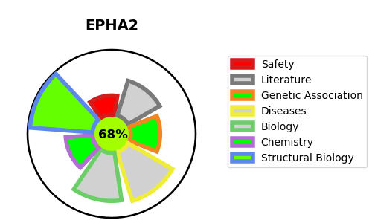
Gene_name | EPHA2 | Tractable | Tractability_probability
Synonyms | 2.7.10.1,ECK,EPHA2,Ephrin type-A receptor 2,Epithelial cell kinase,Tyrosine-protein kinase receptor ECK | True | 68.04
Target_id | P29317 | In Training data set ?
Protein_class | Tyrosine protein kinase Eph family | No
Protein_class_desc | enzyme -> kinase -> protein kinase -> tk -> eph
Species | Homo sapiens (Human).
Number_isoforms | 2

DISEASE |  | PATHWAYS
disease_id | disease_name | Reactome | KEGG
OMIM:116600 | CATARACT 6, MULTIPLE TYPES | Axon guidance
 |  | Developmental Biology
 |  | EPH-Ephrin signaling
 |  | EPH-ephrin mediated repulsion of cells
 |  | EPHA-mediated growth cone collapse
 |  | Nervous system development

